5.01 City Clusters
K-Means Clustering

City | Latitude | Longitude | Primary Language |  | D1 | D2 | D3 | Cluster
New York | 40.74 | -73.91 | English | New York | 76.69 | 23.23 | 157.27 | 2
Toronto | 43.73 | -79.39 | English | Toronto | 81.90 | 28.31 | 163.26 | 2
Paris | 48.85 | 2.35 | French | Paris | 0.00 | 53.59 | 87.63 | 1
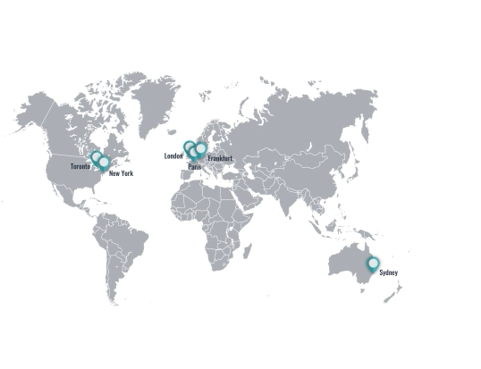
London | 51.30 | -0.06 | English | London | 3.44 | 51.42 | 90.91 | 1
Frankfurt | 50.11 | 8.68 | German | Frankfurt | 6.45 | 60.00 | 82.71 | 1
Sydney | -33.87 | 151.21 | English | Sydney | 170.30 | 217.25 | 82.71 | 3

 | C1 | C2 | C3
Latitude | 48.85 | 45.26 | 8.12
Longitude | 2.35 | -51.12 | 79.94

